Sheet1
Cities1 | Cities2 | Cities3 | Cities4 | Cities5 | Cities1 | Cities2 | Cities3 | Cities4 | Cities5
Zurich | Munich | Helsinki | Rome | Berlin | Berlin | Rome | Helsinki | Munich | Zurich
Geneva | Frankfurt | Vienna | Seoul | Amsterdam | Amsterdam | Seoul | Vienna | Frankfurt | Geneva
Copenhagen | Los Angeles | London | Dubai | Paris | Paris | Dubai | London | Los Angeles | Copenhagen
Oslo | Chicago |  | Lisbon | Dublin | Dublin | Lisbon | Chicago | Oslo
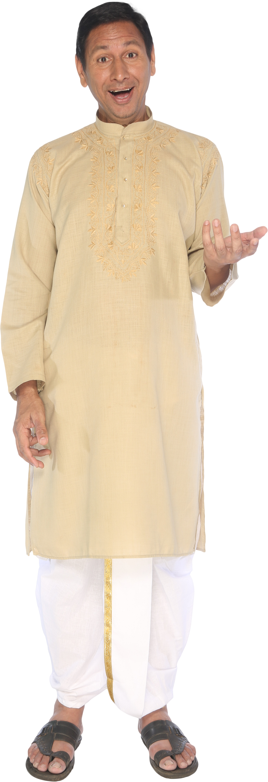
Luxembourg | Stockholm |  | Tel Aviv | Toronto | Toronto | Tel Aviv | Stockholm | Luxembourg
New York | Miami |  | Hong Kong | Montreal | Montreal | Hong Kong | Miami | New York
Sydney | Brussels |  | Johannesburg | Milan | Milan | Johannesburg | Brussels | Sydney
Tokyo |  |  | Athens | Lyon | Lyon | Athens | Tokyo
 |  |  | Ljubljana | Nicosia | Nicosia | Ljubljana
 |  |  | Taipei | Auckland | Auckland | Taipei
 |  |  | Manama | Barcelona | Barcelona | Manama
 |  |  | Moscow | Madrid | Madrid | Moscow
Reverse data given in rows
 |  |  | Sao Paulo |  | Sao Paulo
 |  |  | Tallinn |  | Tallinn
 |  |  | Istanbul |  | Istanbul
 |  |  | Bratislava |  | Bratislava
 |  |  | Rio de Janeiro |  | Rio de Janeiro
 |  |  | Doha |  | Doha

